Sheet1
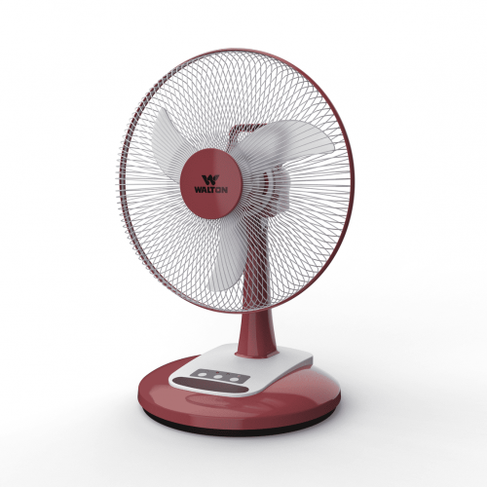
Walton Hi-Tech Industries PLC. Research and Innovaton (R&), Fan
Product Name: 17-inch Rechargeable Table Fan function and specification (LPF battery)
Specification | Parameter | Value |  | Description
Power | ON/OFF | AC mode | DC (Fully charged battery 13.4V)
Speed Button | High Speed | 1400 | 1150 | Fan Reaches to its selected speed(RPM) by Push button and remote control and indicated by LED.
 | Low Speed | 1100 | 950
 | Natural Speed | 1100 - 1400 | 950 - 1150
Natural mode | --- | --- | --- | Fan reduces it's speed form high speed to low speed, and low speed to high speed in 20 sec.
Charging time | --- | --- | 8 hours | Battery Full charge within 8 to 10 hours.
Battery Standby current | --- | --- | 1mA(max) | When no power available battery should not drain more than 1mA. When cutoff Yello blink for 3 times.
Power reset function | Power button MCU reset option.
Backup time | --- | --- | 3h 30m | Backup time 3-4 hours at full speed.
Mosfet Cutoff | Please keep mosfet Cut off option on Over and Under charge battery conditions and also keep regular linear charge condition without cutoff option. So that if required we can add mosfet cutoff components if BMS not work.
Charging Character | V1.0 needs linear chariging with LFP battery |  |  | V2.0 need Constant Charing 1.5A with LFP battery
Cutoff voltage | Lower range 10.5V |  |  | Upper range 14.8V
Remote Control | IR remote control
Battery Spec. | 1. 12V 4.5Ah LPF battery
 | 2. Constant charging voltage (No load): 15 ±0.2V
 | 3. Constant charging voltage (Full load): 14.80 ±0.2V
 | 4. Constant charging current: 1.5A
 | 5. Lower cut off voltage: 10V
Motor Spec. | 1. DC motor
 | 2. Voltage of operation: 12V
 | 3. Motor wattage capacity: 20W
Picture

